English version
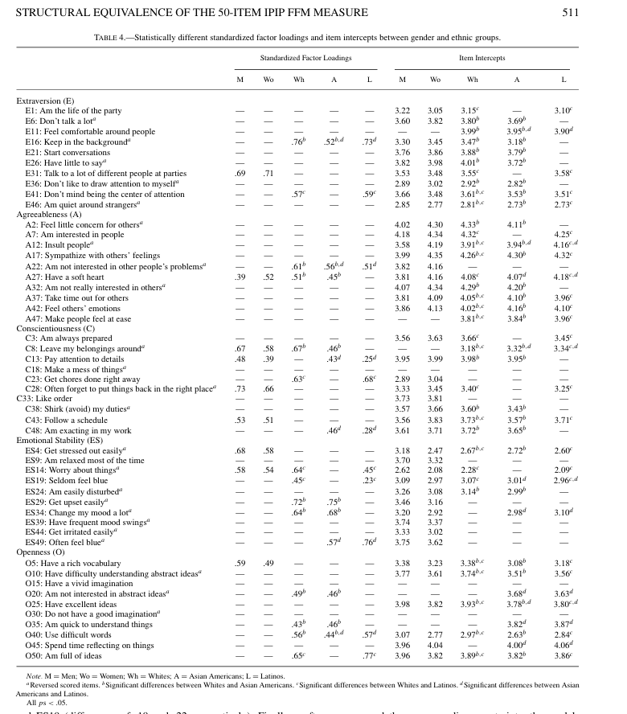
IPIP-50 Item | Facet | Response Format | REF | Item Order | Check by Mengying IPIP-50 Item (in the correct order) | Dimension
I am the life of the party (+ keyed) | Extraversion | 5-point Likert scale: 1. Very Inaccurate, 2. Moderately Inaccurate, 3. Neither Accurate Nor Inaccurate, 4. Moderately Accurate, or 5. Very Accurate | https://ipip.ori.org/new_ipip-50-item-scale.htm | 1 | Am the life of the party. | Extraversion
I feel comfortable around people (+ keyed) | Extraversion | /// |  | 2 | Feel little concern for others. | Agreeableness
I start conversations (+ keyed) | Extraversion | /// |  | 3 | Am always prepared. | Conscientiousness
I talk to a lot of different people at parties (+ keyed) | Extraversion | /// |  | 4 | Get stressed out easily. | Neuroticism
I don't mind being the center of attention (+ keyed) | Extraversion | /// |  | 5 | Have a rich vocabulary. | Openness
I don't talk a lot (- keyed) | Extraversion | /// |  | 6 | Don't talk a lot. | Extraversion
I keep in the background (- keyed) | Extraversion | /// |  | 7 | Am interested in people. | Agreeableness
I have little to say (- keyed) | Extraversion | /// |  | 8 | Leave my belongings around. | Conscientiousness
I don't like to draw attention to myself (- keyed) | Extraversion | /// |  | 9 | Am relaxed most of the time. | Neuroticism
I am quiet around strangers (- keyed) | Extraversion | /// |  | 10 | Have difficulty understanding abstract ideas. | Openness
I am interested in people (+ keyed) | Agreeableness | /// |  | 11 | Feel comfortable around people. | Extraversion
I sympathesize with others' feelings (+ keyed) | Agreeableness | /// |  | 12 | Insult people. | Agreeableness
I have a soft heart (+ keyed) | Agreeableness | /// |  | 13 | Pay attention to details. | Conscientiousness
I take time out for others (+ keyed) | Agreeableness | /// |  | 14 | Worry about things. | Neuroticism
I feel others' emotions (+ keyed) | Agreeableness | /// |  | 15 | Have a vivid imagination. | Openness
I make people feel at ease (+ keyed) | Agreeableness | /// |  | 16 | Keep in the background. | Extraversion
I am not really interested in other people (- keyed) | Agreeableness | /// |  | 17 | Sympathize with others' feelings. | Agreeableness
I insult people (- keyed) | Agreeableness | /// |  | 18 | Make a mess of things. | Conscientiousness
I am not interested in other people's problems (- keyed) | Agreeableness | /// |  | 19 | Seldom feel blue. | Neuroticism
I feel little concern for others (- keyed) | Agreeableness | /// |  | 20 | Am not interested in abstract ideas. | Openness
I am always prepared (+ keyed) | Conscientiousness | /// |  | 21 | Start conversations. | Extraversion
I pay attention to details (+ keyed) | Conscientiousness | /// |  | 22 | Am not interested in other people's problems. | Agreeableness
I get chores done right away (+ keyed) | Conscientiousness | /// |  | 23 | Get chores done right away. | Conscientiousness
I like order (+ keyed) | Conscientiousness | /// |  | 24 | Am easily disturbed. | Neuroticism
I follow a schedule (+ keyed) | Conscientiousness | /// |  | 25 | Have excellent ideas. | Openness
I am exacting in my work (+ keyed) | Conscientiousness | /// |  | 26 | Have little to say. | Extraversion
I leave my belongings around (- keyed) | Conscientiousness | /// |  | 27 | Have a soft heart. | Agreeableness
I make a mess of things (- keyed) | Conscientiousness | /// |  | 28 | Often forget to put things back in their proper place. | Conscientiousness
I often forget to put things back in their proper place (- keyed) | Conscientiousness | /// |  | 29 | Get upset easily. | Neuroticism
I shirk my duties (- keyed) | Conscientiousness | /// |  | 30 | Do not have a good imagination. | Openness
I am relaxed most of the time (+ keyed) | Neuroticism | /// |  | 31 | Talk to a lot of different people at parties. | Extraversion
I seldom feel blue (+ keyed) | Neuroticism | /// |  | 32 | Am not really interested in others. | Agreeableness
I get stressed out easily (- keyed) | Neuroticism | /// |  | 33 | Like order. | Conscientiousness
I worry about things (- keyed) | Neuroticism | /// |  | 34 | Change my mood a lot. | Neuroticism
I am easily disturbed (- keyed) | Neuroticism | /// |  | 35 | Am quick to understand things. | Openness
I get upset easily (- keyed) | Neuroticism | /// |  | 36 | Don't like to draw attention to myself. | Extraversion
I change my mood a lot (- keyed) | Neuroticism | /// |  | 37 | Take time out for others. | Agreeableness
I have frequent mood swings (- keyed) | Neuroticism | /// |  | 38 | Shirk my duties. | Conscientiousness
I get irritated easily (- keyed) | Neuroticism | /// |  | 39 | Have frequent mood swings. | Neuroticism
I often feel blue (- keyed) | Neuroticism | /// |  | 40 | Use difficult words. | Openness
I have a rich vocabulary (+ keyed) | Openness | /// |  | 41 | Don't mind being the center of attention. | Extraversion
I have a vivid imagination (+ keyed) | Openness | /// |  | 42 | Feel others' emotions. | Agreeableness
I have excellent ideas (+ keyed) | Openness | /// |  | 43 | Follow a schedule. | Conscientiousness
I am quick to understand things (+ keyed) | Openness | /// |  | 44 | Get irritated easily. | Neuroticism
I use difficult words (+ keyed) | Openness | /// |  | 45 | Spend time reflecting on things. | Openness
I spend time reflecting on things (+ keyed) | Openness | /// |  | 46 | Am quiet around strangers. | Extraversion
I am full of ideas (+ keyed) | Openness | /// |  | 47 | Make people feel at ease. | Agreeableness
I have difficulty understanding abstract ideas (- keyed) | Openness | /// |  | 48 | Am exacting in my work. | Conscientiousness
I am not interested in abstract ideas (- keyed) | Openness | /// |  | 49 | Often feel blue. | Neuroticism
I do not have a good imagination (- keyed) | Openness | /// |  | 50 | Am full of ideas. | Openness

 |  |  |  |  |  |  | Ref: Ehrhart, K. H., Roesch, S. C., Ehrhart, M. G., & Kilian, B. (2008). A Test of the Factor Structure Equivalence of the 50-Item IPIP Five-Factor Model Measure Across Gender and Ethnic Groups. Journal of Personality Assessment, 90(5), 507–516. https://doi.org/10.1080/00223890802248869

反向計分題（需做 6 - 原始分轉換，共24題）：2、4、6、8、10、12、14、16、18、20、22、24、26、28、29、30、32、34、36、38、39、44、46、49 正向計分題（直接採用原始得分，共26題）：1、3、5、7、9、11、13、15、17、19、21、23、25、27、31、33、35、37、40、41、42、43、45、47、48、50

Ref: Goldberg, L. R. (1999). A broad-bandwidth, public domain, personality inventory measuring the lower-level facets of several five-factor models. In I. Mervielde, I. Deary, F. De Fruyt, & F. Ostendorf (Eds.), Personality psychology in Europe (Vol. 7, pp. 7–28). Tilburg,The Netherlands: Tilburg University Press. International Personality Item Pool. (2007). A scientific collaboratory for the development of advanced measures of personality traits and other individual differences. http://ipip.ori.org/.

Chinese version
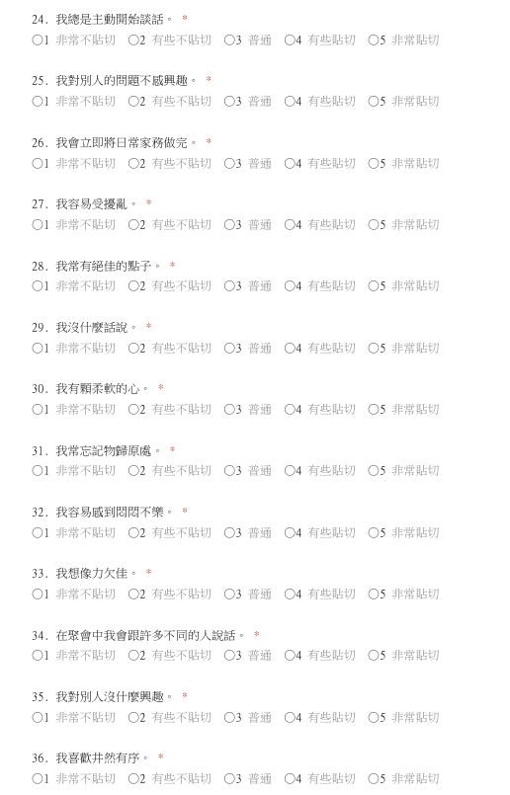
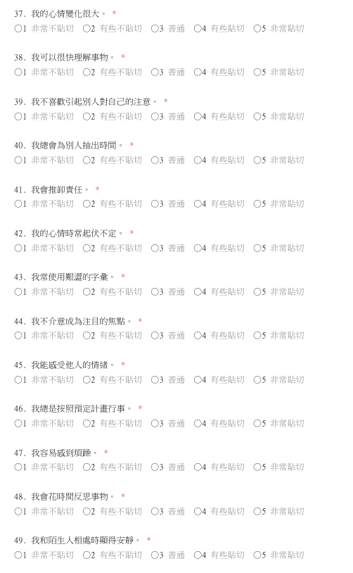
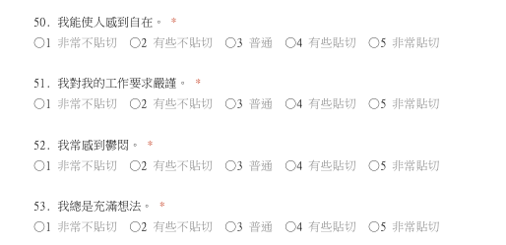
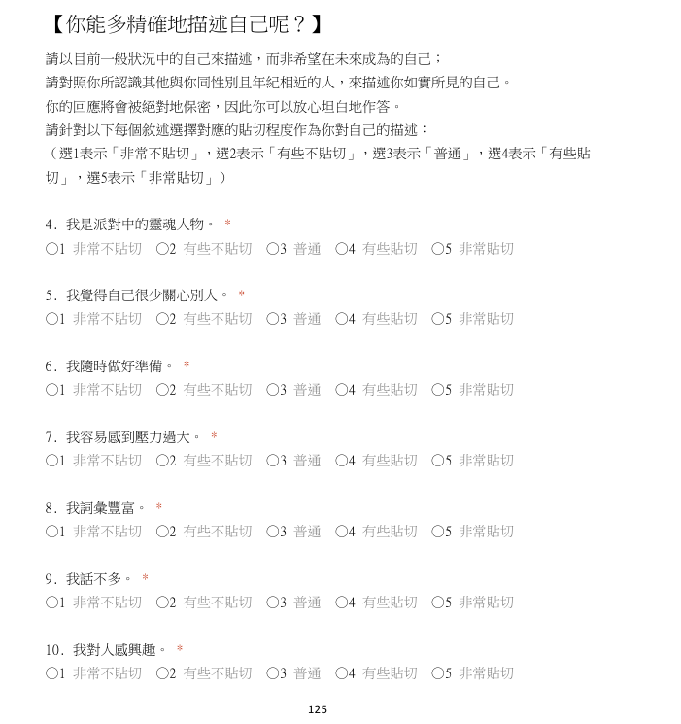
IPIP-50 Item | Facet | Response Format | REF | Item Order | Check by Mengying IPIP-50 Item (in the correct order)
我是派對中的靈魂人物。 (+ keyed) | Extraversion | 5-point Likert scale: 1. 非常不貼切，2. 有些不貼切，3. 普通，4. 有些貼切，5. 非常貼切 | https://ipip.ori.org/ChineseAB5CFactorMarkers.htm | 1 | 我是派對中的靈魂人物。
我和其他人在一起時感覺自在。 (+ keyed) | Extraversion | /// |  | 2 | 我覺得自己很少關心別人。
我總是主動開始談話。 (+ keyed) | Extraversion | /// |  | 3 | 我隨時做好準備。
在聚會中我會跟許多不同的人說話。 (+ keyed) | Extraversion | /// |  | 4 | 我容易感到壓力過大。
我不介意成為注目的焦點。 (+ keyed) | Extraversion | /// |  | 5 | 我詞彙豐富。
我話不多。 (- keyed) | Extraversion | /// |  | 6 | 我話不多。
我是個低調的人。 (- keyed) | Extraversion | /// |  | 7 | 我對人感興趣。
我沒什麼話說。 (- keyed) | Extraversion | /// |  | 8 | 我總是丟三落四。
我不喜歡引起別人對自己的注意。(- keyed) | Extraversion | /// |  | 9 | 我大多時候是放鬆的。
我和陌生人相處時顯得安靜。 (- keyed) | Extraversion | /// |  | 10 | 我對於理解抽象概念有困難。
我對人感興趣。(+ keyed) | Agreeableness | /// |  | 11 | 我和其他人在一起時感覺自在。
我會同情他人的感受。 (+ keyed) | Agreeableness | /// |  | 12 | 我會侮辱別人。
我有顆柔軟的心。(+ keyed) | Agreeableness | /// |  | 13 | 我經常注意細節。
我總會為別人抽出時間。 (+ keyed) | Agreeableness | /// |  | 14 | 我時常為事擔心。
我能感受他人的情緒。 (+ keyed) | Agreeableness | /// |  | 15 | 我有生動的想像力。
我能使人感到自在。 (+ keyed) | Agreeableness | /// |  | 16 | 我是個低調的人。
我對別人沒什麼興趣。 (- keyed) | Agreeableness | /// |  | 17 | 我會同情他人的感受。
我會侮辱別人。 (- keyed) | Agreeableness | /// |  | 18 | 我常把事物弄得一團糟。
我對別人的問題不感興趣。 (- keyed) | Agreeableness | /// |  | 19 | 我很少感到鬱悶。
我覺得自己很少關心別人。 (- keyed) | Agreeableness | /// |  | 20 | 我對抽象概念不感興趣。
我隨時做好準備。 (+ keyed) | Conscientiousness | /// |  | 21 | 我總是主動開始談話。
我經常注意細節。 (+ keyed) | Conscientiousness | /// |  | 22 | 我對別人的問題不感興趣。
我會立即將日常家務做完。 (+ keyed) | Conscientiousness | /// |  | 23 | 我會立即將日常家務做完。
我喜歡井然有序。 (+ keyed) | Conscientiousness | /// |  | 24 | 我容易受擾亂。
我總是按照預定計畫行事。 (+ keyed) | Conscientiousness | /// |  | 25 | 我常有絕佳的點子。
我對我的工作要求嚴謹。 (+ keyed) | Conscientiousness | /// |  | 26 | 我沒什麼話說。
我總是丟三落四。 (- keyed) | Conscientiousness | /// |  | 27 | 我有顆柔軟的心。
我常把事物弄得一團糟。 (- keyed) | Conscientiousness | /// |  | 28 | 我常忘記物歸原處。
我常忘記物歸原處。 (- keyed) | Conscientiousness | /// |  | 29 | 我容易感到悶悶不樂。
我會推卸責任。 (- keyed) | Conscientiousness | /// |  | 30 | 我想像力欠佳。
我大多時候是放鬆的。 (+ keyed) | Neuroticism | /// |  | 31 | 在聚會中我會跟許多不同的人說話。
我很少感到鬱悶。(+ keyed) | Neuroticism | /// |  | 32 | 我對別人沒什麼興趣。
我容易感到壓力過大。 (- keyed) | Neuroticism | /// |  | 33 | 我喜歡井然有序。
我時常為事擔心。 (- keyed) | Neuroticism | /// |  | 34 | 我的心情變化很大。
我容易受擾亂。 (- keyed) | Neuroticism | /// |  | 35 | 我可以很快理解事物。
我容易感到悶悶不樂。 (- keyed) | Neuroticism | /// |  | 36 | 我不喜歡引起別人對自己的注意。
我的心情變化很大。 (- keyed) | Neuroticism | /// |  | 37 | 我總會為別人抽出時間。
我的心情時常起伏不定。 (- keyed) | Neuroticism | /// |  | 38 | 我會推卸責任。
我容易感到煩躁。 (- keyed) | Neuroticism | /// |  | 39 | 我的心情時常起伏不定。
常感到鬱悶。(- keyed) | Neuroticism | /// |  | 40 | 我常使用艱澀的字彙。
我詞彙豐富。 (+ keyed) | Openness | /// |  | 41 | 我不介意成為注目的焦點。
我有生動的想像力。 (+ keyed) | Openness | /// |  | 42 | 我能感受他人的情緒。
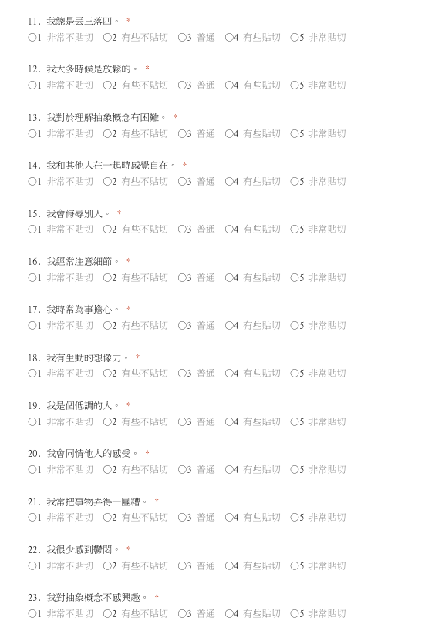
我常有絕佳的點子。 (+ keyed) | Openness | /// |  | 43 | 我總是按照預定計畫行事。
我可以很快理解事物。 (+ keyed) | Openness | /// |  | 44 | 我容易感到煩躁。
我常使用艱澀的字彙。 (+ keyed) | Openness | /// |  | 45 | 我會花時間反思事物。
我會花時間反思事物。 (+ keyed) | Openness | /// |  | 46 | 我和陌生人相處時顯得安靜。
我總是充滿想法。 (+ keyed) | Openness | /// |  | 47 | 我能使人感到自在。
我對於理解抽象概念有困難。 (- keyed) | Openness | /// |  | 48 | 我對我的工作要求嚴謹。
我對抽象概念不感興趣。 (- keyed) | Openness | /// |  | 49 | 我常感到鬱悶。
我想像力欠佳。 (- keyed) | Openness | /// |  | 50 | 我總是充滿想法。

反向計分題（需做 6 - 原始分轉換，共24題）：2、4、6、8、10、12、14、16、18、20、22、24、26、28、29、30、32、34、36、38、39、44、46、49 正向計分題（直接採用原始得分，共26題）：1、3、5、7、9、11、13、15、17、19、21、23、25、27、31、33、35、37、40、41、42、43、45、47、48、50

